TITLE page
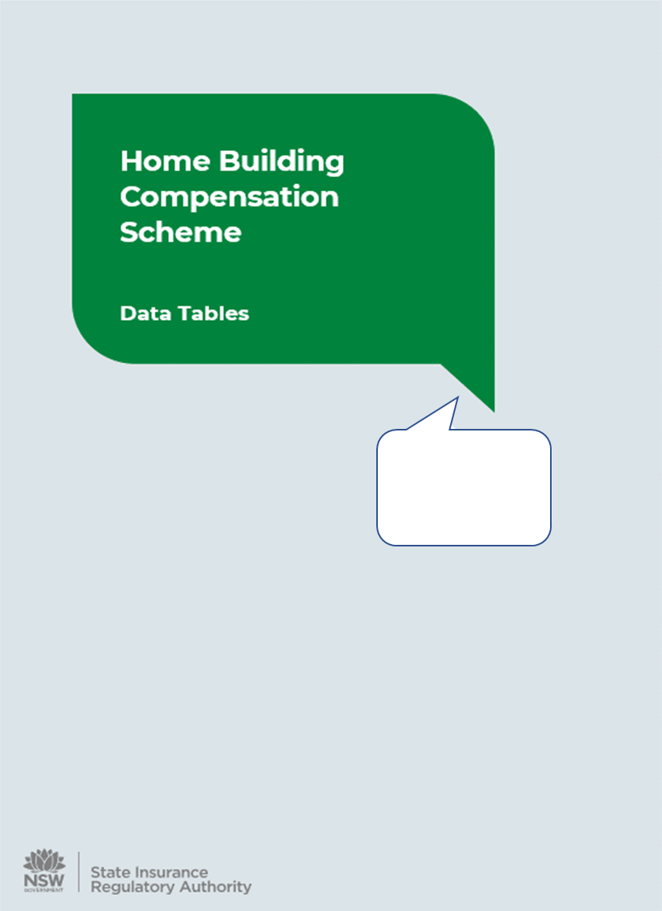

31 Dec 2022

