TITLE page
These tables have been prepared to support the State Insurance Regulatory Authority (SIRA) workers compensation monthly report.
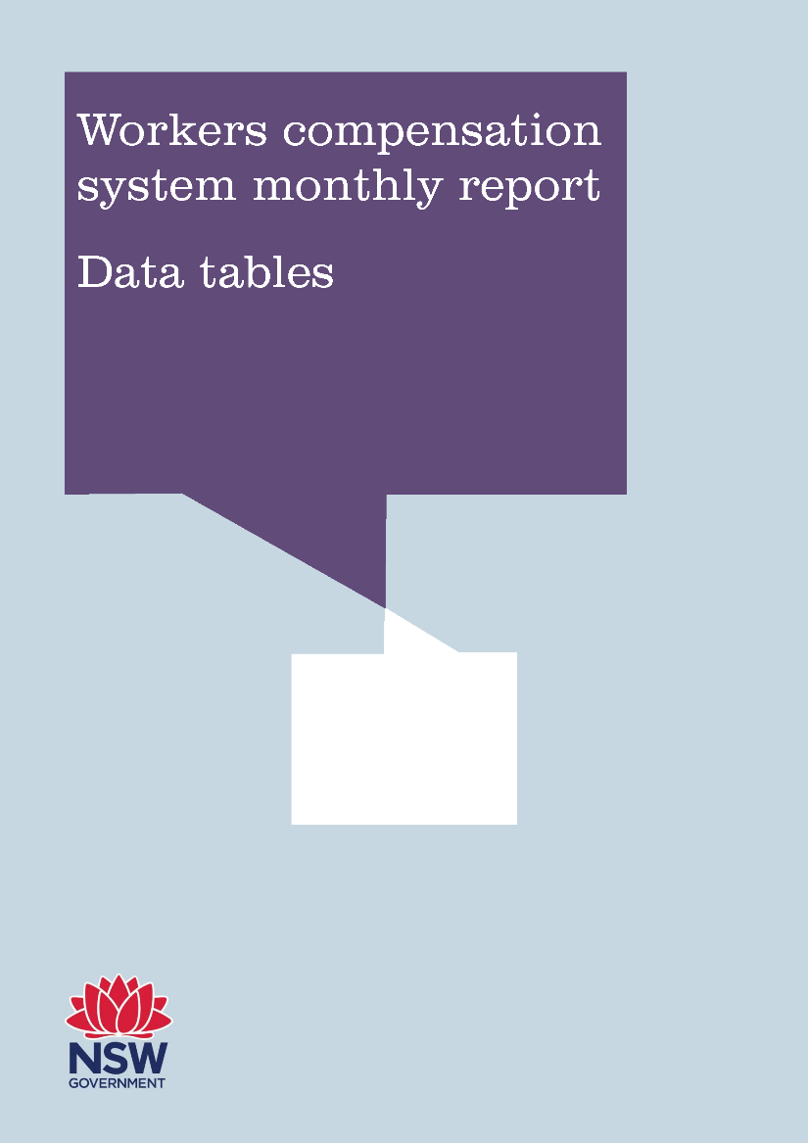

May 2018 (published August 2018)

