TITLE page
These tables have been prepared to support the State Insurance Regulatory Authority (SIRA) workers compensation monthly report.
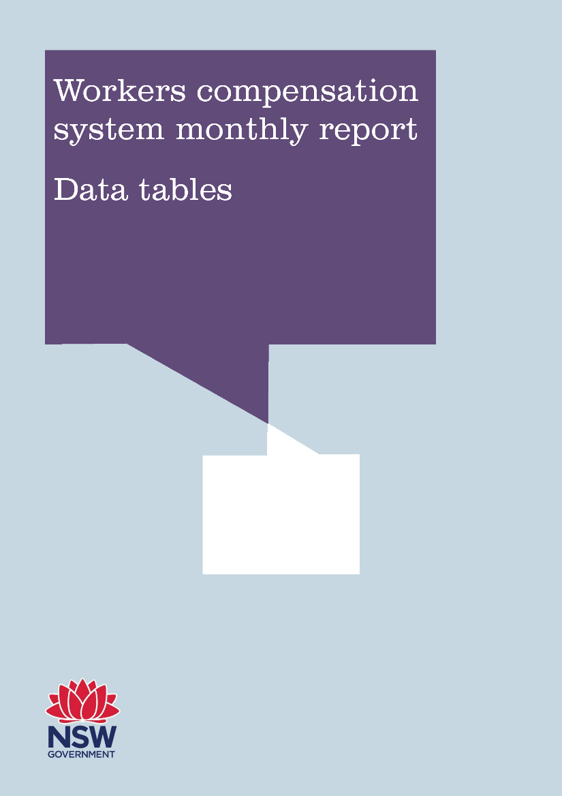

April 2018 (published July 2018)

