TITLE page
These tables have been prepared to support the State Insurance Regulatory Authority (SIRA) workers compensation monthly report.
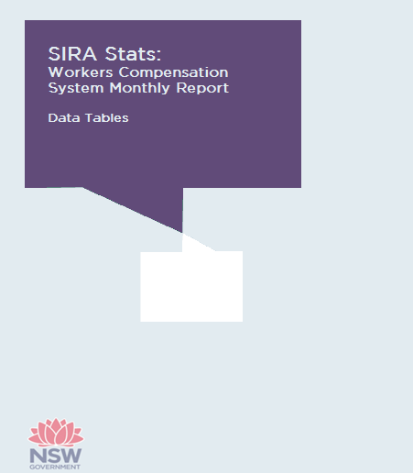

March 2019

